ورقة1
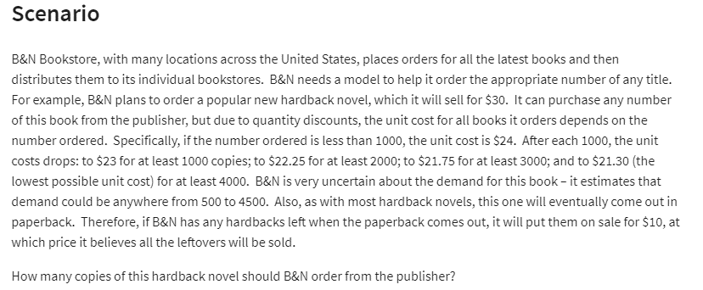
B&N Books store

Regular Price | 30
Sale Price | 10

Demand | 500 |  | Order | Price
Order | 500 |  | 0 | 24
left | 0 |  | 1000 | 23
 |  |  | 2000 | 22.25
Cost | 12000 |  | 3000 | 21.75
Total Cost |  |  | 4000 | 21.3

Revenue | 15000

Profit | 3000

 |  |  |  | Demand
 |  |  | 3000 | 500 | 1000 | 1500 | 2000 | 2500 | 3000 | 3500 | 4000 | 4500
 |  | order | 500 | SAR 3,000 | SAR 3,000 | SAR 3,000 | SAR 3,000 | SAR 3,000 | SAR 3,000 | SAR 3,000 | SAR 3,000 | SAR 3,000
 |  |  | 1000 | -SAR 3,000 | SAR 7,000 | SAR 7,000 | SAR 7,000 | SAR 7,000 | SAR 7,000 | SAR 7,000 | SAR 7,000 | SAR 7,000
 |  |  | 1500 | -SAR 9,500 | SAR 500 | SAR 10,500 | SAR 10,500 | SAR 10,500 | SAR 10,500 | SAR 10,500 | SAR 10,500 | SAR 10,500
 |  |  | 2000 | -SAR 14,500 | -SAR 4,500 | SAR 5,500 | SAR 15,500 | SAR 15,500 | SAR 15,500 | SAR 15,500 | SAR 15,500 | SAR 15,500
 |  |  | 2500 | -SAR 20,625 | -SAR 10,625 | -SAR 625 | SAR 9,375 | SAR 19,375 | SAR 19,375 | SAR 19,375 | SAR 19,375 | SAR 19,375
 |  |  | 3000 | -SAR 25,250 | -SAR 15,250 | -SAR 5,250 | SAR 4,750 | SAR 14,750 | SAR 24,750 | SAR 24,750 | SAR 24,750 | SAR 24,750
 |  |  | 3500 | -SAR 31,125 | -SAR 21,125 | -SAR 11,125 | -SAR 1,125 | SAR 8,875 | SAR 18,875 | SAR 28,875 | SAR 28,875 | SAR 28,875
 |  |  | 4000 | -SAR 35,200 | -SAR 25,200 | -SAR 15,200 | -SAR 5,200 | SAR 4,800 | SAR 14,800 | SAR 24,800 | SAR 34,800 | SAR 34,800
 |  |  | 4500 | -SAR 40,850 | -SAR 30,850 | -SAR 20,850 | -SAR 10,850 | -SAR 850 | SAR 9,150 | SAR 19,150 | SAR 29,150 | SAR 39,150

